DH Comm Calc
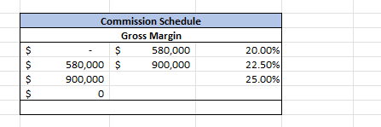
 | Recruiter Name: | Diana Vogrin
 | Initials: | DV
 | Draw Balance: | N/A
 | Current Year: | 2026
 | Prior Year | 2025
 | Plan: | DH Recruiter
 | YTD Direct Hire Billings: | $111,225
 | YTD Staffing GM: | $61,376
 | YTD Cash-In: | $115,856
 | YTD Commissions Earned: | $35,447

 |  |  |  | Total
 |  | Total | Commision | Commis | Draw | Commis
Month | Monthly Cash In | Cash-In YTD | Rate | Earned | Recovery | Paid
January | 34,500.00 | 34,500 | 20.00% | 6,900 | - | 6,900.00 | Pay Qtrly
February | 13,437.50 | 47,938 | 20.00% | 2,688 | - | 2,687.50 | Pay Qtrly
March | - | 47,938 | 20.00% | - | - | - | Pay Qtrly | 9,587.50
April | 4,387.50 | 52,325 | 20.00% | 878 | - | 877.50 | Pay Qtrly
May | 63,531.25 | 115,856 | 20.00% | 12,706 | - | 12,706.25 | Pay Qtrly
June | - | 115,856 | 20.00% | - |  | - | Pay Qtrly | 13,583.75
July | - | 115,856 | 20.00% | - | - | - | Pay Qtrly
August | - | 115,856 | 20.00% | - | - | - | Pay Qtrly
September | - | 115,856 | 20.00% | - | - | - | Pay Qtrly | -
October | - | 115,856 | 20.00% | - | - | - | Pay Qtrly
November | - | 115,856 | 20.00% | - |  | - | Pay Qtrly
December | - | 115,856 | 20.00% | - | - | - | Pay Qtrly | -
TOTALS | 115,856.25 |  |  | 23,171.25 | Total DH Commission Earned | 23,171.25

